Traning Module
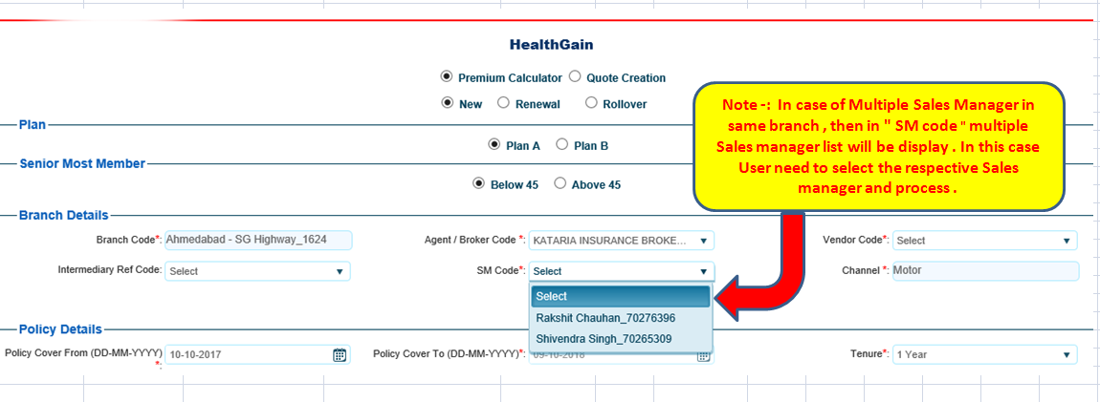
 | Call Desk | Version: 1.0
If SM - Vendor Branch gets change then please select below category in MOM .

User make sure that respective mapping is done in MOM Application first .If the mapping is not changed in Smart zone then select below category and log a call .If mapping is not available in MOM ,call will be Rejected by Support .

Traning module - How to process if Multiple Sales managers are in drop down for same branch .

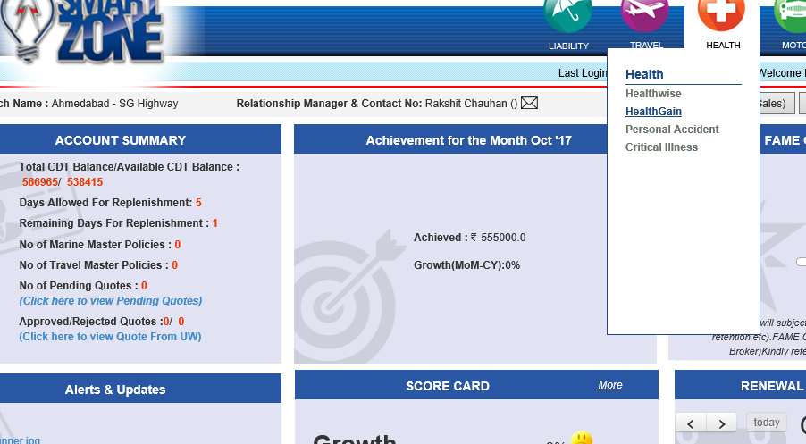

While Booking If Multiple Sales Manager are display in SM code ,please read the Note

